Inv Summary

ET $ | D Note
 |  |  |  |  | 2025-08-18

 |  | TO: Ethiopian Airlines Group
 |  | FLIGHT NO: ET519
 |  | Route ATL-ADD
 |  | Period Date : 05/22/2026 to 05/31/2026
 |  | Invoice Number: ET202605B
 |  | DATE: 18-Jun-2026

14 | F17 | FOOD | USD 39,619.98
16 | F29
18 | F32 | SERVICE | USD 4,200.00
21 | F30
17 | F31 | SUBTOTAL | USD 43,819.98
19 | M
20 | M | TAX | USD -
78 | F16
98 | F19 | PORT FEE | USD -
XX | XX
39 | F33 | TOTAL DUE | USD 43,819.98
41 | **
43 | ** | DUE DATE: | 18-Jul-2026
33 | G17
88 | G16
105 | G20
XX | XX
42 | **
44 | **
DRY | ITEM

 |  |  |  | 0.00 | 0.00 | 0.00 | 0.00 | 0.00 | 0.00 | 0.00

Old Cycle change
Cycle change/Rotation | Gena Fasting Season will be starting from 24Nov till to 6 JAN 2025.
 | Therefore, we kindly request you to serve the usual fasting meals based on the below information.
JAN & FEB…..CYCLE 1
MAR & APR…CYCL 2 | v The vegetable should be free from any animal product.
MAY & JUN…CYCLE 3 | v Tray set up shall be prepared accordingly and avoid any dairy products unless we do have vegetable made butter.
JUL & AUG….CYCLE 1 | v Salad shall be of non-meat and dairy products as per the ratio.
SEP & OCT….CYCLE 2 | v Regarding passengers fasting meal of both class (BC & EY), please load the meal choices of Veg on the menu 10 % without adding any animal products.
NOV & DEC…CYCLE 3
 | In Addition to these, please load extra pasta & veg based on A/C type.
New cycle change from May-2026
 | In the meantime, kindly record the loaded extra pasta & veg to the delivery note.

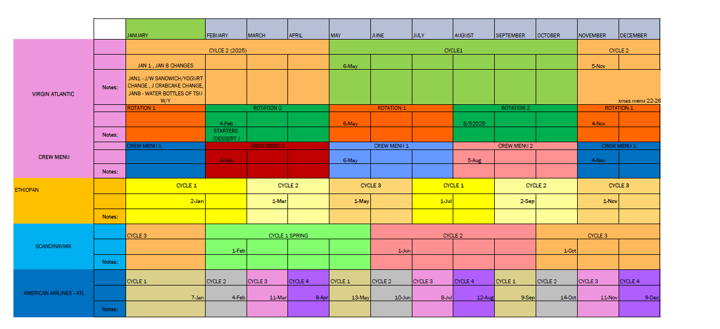
 | EXTRA PASTA & Veg IN BULK
 | Aircraft Type | Quantity loaded with large Aluminum Foils

 | 787 | 2 big foil each that is (2 pasta with tomato and 2 veg)
 | 777-200 | 3 big foil each that is (3 pasta with tomato and 3 veg)
 | 777-300 | 3 big foil each that is (3 pasta with tomato and 3 veg)
 | A350 | 3 big foil each that is (3 pasta with tomato and 3 veg)

 | Percentage of Filesta Fasting season meal loading ratio FOR CREWS

 | AIRCRAFT TYPE | NO. OF COCKPIT CREW | COCKPIT CREW FASTING VEG | COCKPIT CREW FASTING FISH | COCKPIT CREW NON FASTING MEAL | NO. OF CABIN CREW | CABIN CREW FASTING VEG | CABIN CREW FASTING FISH | TOTAL NO. OF MEAL
 | 787 | 2 | 1 | 1 | 2 | 13 | 4 | 4 | 17
 | 777-300/200 | 2 | 1 | 1 | 2 | 13 | 4 | 4 | 17
 | 777-300/201 | 2 | 1 | 1 | 2 | 11 | 4 | 3 | 15
 | A350 | 2 | 1 | 1 | 2 | 11 | 4 | 3 | 15

 | Date amendment , that is
 | 7th August to 22 August ,2025

 | From: Barnabas Worku
 | Sent: Wednesday, July 23, 2025 4:11 PM
 | Cc: catering sales & Route catering <CateringsalesRouteCatering@ethiopianairlines.com>; Yonas Negussie (Mr.) <YonasN@ethiopianairlines.com>; Addis Kassa (Mrs.) <Addisk@ethiopianairlines.com>; Getachew Gebremariam <GetachewG@ethiopianairlines.com>; Solomon Worku <SolomonWr@ethiopianairlines.com>; Yared Abebe <YaredAB@ethiopianairlines.com>; Meron Hassen (Mrs.) <MeronHs@ethiopianairlines.com>; Fasika Berhanu <FasikaB@ethiopianairlines.com>; Fiker Getnet <FikerG@ethiopianairlines.com>; Teshome Gebreselassie (Mr.) <TeshomeGb@ethiopianairlines.com>; Eskedar Tamrat <EskedarT@ethiopianairlines.com>
 | Subject: August fasting season Notice

 | Dear All
 | Greetings!

 | August Fasting Season will be starting from 7th August to 22 August ,2025
 | Therefore, we kindly request you to serve the usual fasting meals based on the below information the same as our previous notice.

 | v The vegetable should be free from any animal product.
 | v Tray set up shall be prepared accordingly and avoid any dairy products unless we do have vegetable made butter.
 | v Salad shall be of non-meat and dairy products as per the ratio.
 | v Regarding passengers fasting meal of both class (BC & EY), please load the meal choices of Veg on the menu 10 % without adding any animal products.

 | In Addition to these, please load extra pasta & veg based on A/C type.

 | In the meantime, kindly record the loaded extra pasta & veg to the delivery note.

 | EXTRA PASTA & Veg IN BULK
 | Aircraft Type | Quantity loaded with large Aluminum Foils

 | 787 | 2 big foil each that is (2 pasta with tomato and 2 veg)
 | 777-200 | 3 big foil each that is (3 pasta with tomato and 3 veg)
 | 777-300 | 3 big foil each that is (3 pasta with tomato and 3 veg)
 | A350 | 3 big foil each that is (3 pasta with tomato and 3 veg)

 | Percentage of August Fasting season meal loading ratio FOR CREWS

 | AIRCRAFT TYPE | NO. OF COCKPIT CREW | COCKPIT CREW FASTING VEG | COCKPIT CREW FASTING FISH | COCKPIT CREW NON FASTING MEAL | NO. OF CABIN CREW | CABIN CREW FASTING VEG | CABIN CREW FASTING FISH | TOTAL NO. OF MEAL
 | 787 | 2 | 1 | 1 | 2 | 13 | 4 | 4 | 17
 | 777-300/200 | 2 | 1 | 1 | 2 | 13 | 4 | 4 | 17
 | 777-300/201 | 2 | 1 | 1 | 2 | 11 | 4 | 3 | 15
 | A350 | 2 | 1 | 1 | 2 | 11 | 4 | 3 | 15

 | Please acknowledge

Sheet1
Ok – Lots of corrections below,

Standard uplift should be = 1 so we charge for it
Laundry we have it set to = 0.5 so we charge for it
Handling charges & Extra Van should be = 1 – Handling Charge ALWAYS should be included, Van charge always unless indicated otherwise by ops
Also, Custom Clearance Charge should = 0, $0 – I was charging this in error. Will only be charged in the rare case that we need Custom Clearance Services

BC Counts were wrong based on the delivery note.
BC should be 30 total (on the left matrix, not including SPML none in this case)
Based on delivery note was 30 BC total, not 34

Dry goods …
Before – your input
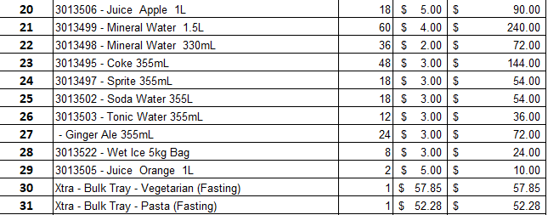
X
After Corrections – Not sure how you came up with your numbers/quantities but they were NOT matching the delivery note
Your counts were not correct – already adjusted
You had items like Soda water, Tonic Water, Ginger Ale that are not in the delivery note (not requested), should not be included
The items not needed I removed them
Note: the Bulk items are only for a period of time (fasting), I see that hey are not in the delivery note (should be), in this case I would check with Ops/Mohamed to make sure we do need to bill for this… or not.
Same for the “Fasting Meals (4 /20) they will go away I think mid to late JUL – Check with Mohamed please
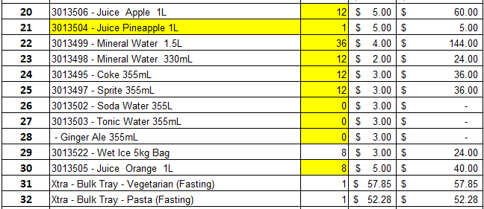

Let me know if the above makes sense, I will be in Marietta on WED if anything.

OJ – In this case what I did is add the two numbers. Remember that the OJ is a little tricky because

The delivery note unfortunately is a little open to interpretations.
Related to OJ, if you remember the “standard bulk” portion is supposed to be 2LT, but per ops they actually put 3LT in general so I always have 1LT as part of the Dry Items.
In this case, I am interpreting that they add 2 + 6 in addition to the bulk count so that is where I get the 8, makes sense?
On the sheet, I had the invoice OJ on the bulk section linked to the delivery note sheet, perhaps that is not correct and it should be set to 1 (3LT always on, 2LT bulk plus 1 extra)

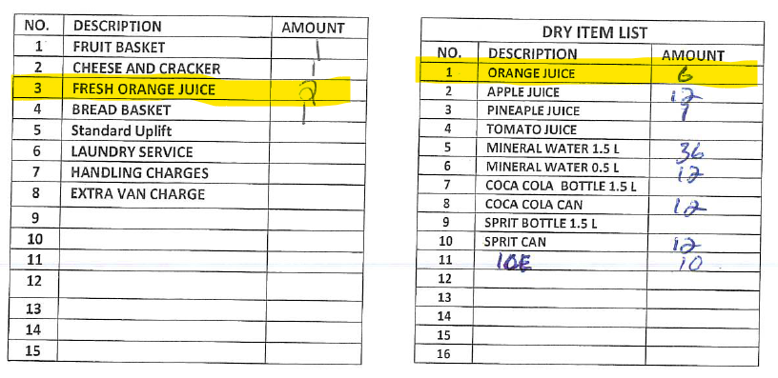

Hello Mohamed,

Per our phone conversation on Thursday evening, regarding the Fruit Platter that we need to charges them, see below the calculation on the attached Delivery note.

Fruit Platters 15.00 (15/3x16.61=83.05 which we need to charge them correct please confirm that way I can change all sept calculation.

